Instructions
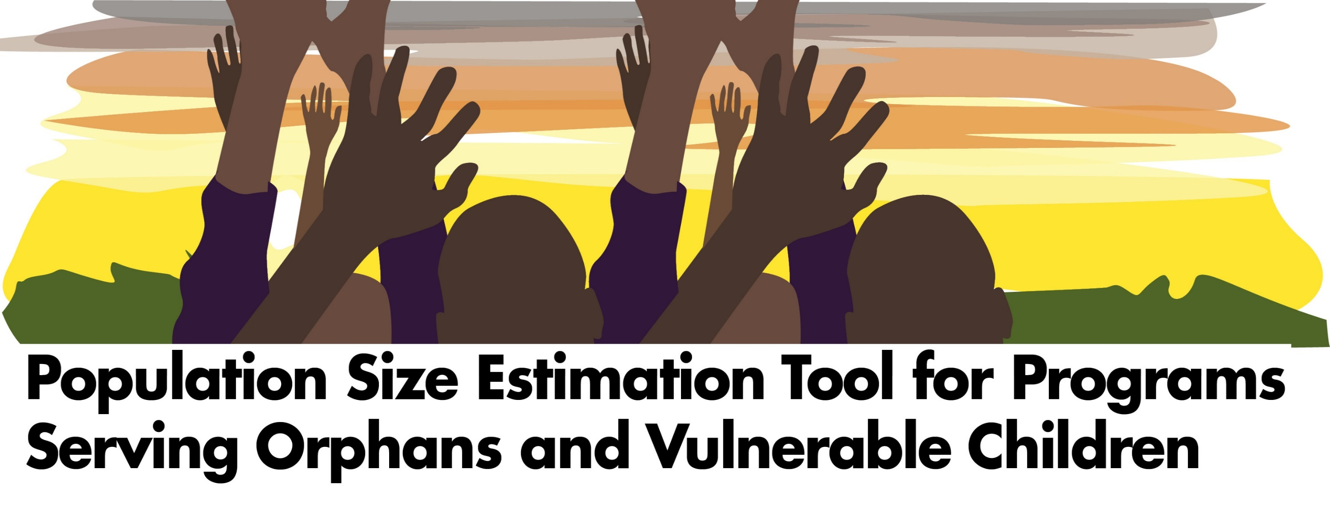
This workbook calculator is designed to assist PEPFAR OVC country programs to estimate the size of two groups of potentially vulnerable children, using adult HIV prevalence:
 | 1. Children ages 0-17 living in a household with at least one HIV-positive adult member age 18 or older;
 | 2. Orphans (includes children whose guardian does not know if biological parents are alive) and children ages 0-17 living with orphans in a household with at least one HIV-positive adult member age 18 or older;
The calculator is meant to be used for countries that do not have a recent AIDS Indicator Survey (AIS) or Demographic and Health Survey (DHS) with biomarker/HIV testing. The four PEPFAR priority countries that do not have a recent survey are Botswana, Nigeria, South Africa, and South Sudan. A separate workbook is available for countries that have a recent survey.
The calculator uses the results of regression analyses of 60 national surveys with HIV test results. The analyses showed that a one-percent change in HIV adult prevalence is associated with 1.54% change in the proportion of children living with at least one HIV positive adult and a 0.78 percent change in the proportion of orphans and coresident children living with at least one HIV positive adult.
The workbook estimates the proportion of all children and the number of children in each group. It also provides the lower and upper bounds (range) of the estimates. The lower and upper bounds are the 99% confidence interval around the regression line of the DHS secondary analysis.
IMPORTANT!! The calculator should be used ONLY for national-level estimates. Measures of adult HIV prevalence at the subnational level are too imprecise for reliable OVC estimates.
To use this workbook, you will need the number of children 0-17 years of age living in the country. You will also need an estimate of HIV prevalence among adults (both sexes) ages 15 and older. These numbers may come from a national census, official population projections, or some other source. We strongly advise you to enter the data sources in the boxes provided. To obtain the estimated proportions, follow these steps in the Calculator tab:
1. Enter the country name in the pink box in row 3.
 |  | Country name

2. Enter the number of children 0-17 years of age living in the country in the pink box in row 11 and the data source for population size in the pink box in row 12.
 | Number of children 0-17 years old |  | Enter the number of 0-17 years old children in the country
 | Data source for number of children

3. Enter national adult HIV prevalence rate in the pink box in row 14. For example, 13% would be entered as 13. Enter the data source for the HIV prevalence estimate in the pink box in row 15.
 | Adult HIV prevalence |  | Enter adult HIV prevalence rate in the country
 | Data source for adult HIV prevalence

4. The estimated proportions and numbers of children in the two priority groups will be calculated automatically and appear in the gray boxes in the lower rows of the worksheet.
 | Lower confidence interval for the percentage of children living with at least one HIV-positive adult

This publication [or “presentation”] was produced with the support of the United States Agency for International Development (USAID) under the terms of MEASURE Evaluation cooperative agreement AID-OAA-L-14-00004. MEASURE Evaluation is implemented by the Carolina Population Center, University of North Carolina at Chapel Hill in partnership with ICF International; John Snow, Inc.; Management Sciences for Health; Palladium; and Tulane University. Views expressed are not necessarily those of USAID or the United States government. TL-18-07

